Feuil1
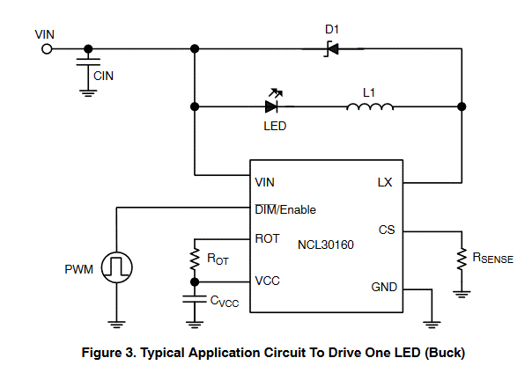

ILED: | 1 | A
Rsense: | 0.2 | Ohm

Selecting The Off-Time Setting Resistor
VLED: | 5 | V
Vdiode | 1 | V
DCRL: | 0.5 | Ohm
L: | 22 | uH
I ripple: | 100 | mA

tOFF: | 3.3846153846E-07 | s
ROT: | 33846.153846 | Ohm

